Sheet1
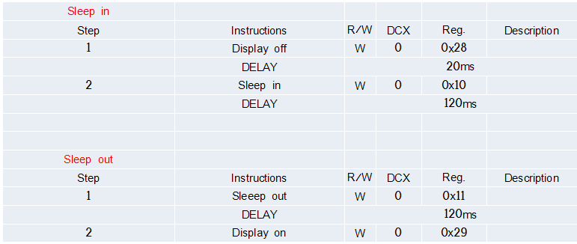
ADDRESS(Hex) | PARAMETER(Hex) | FUNCTION
11 |  | Sleep out
3A | 77 | Interface pixel format
F0 | C3
F0 | 96
EC | 00/00/01
B9 | 02/C0
B6 | 89/07/27 | Display function control
36 | 40 | Memory Data Access Control
B4 | 00 | Display Inversion Control
E8 | 40/8A/00/00/29/19/A5/93
20 |  | Display Inversion Off
B9 | 00/C0
C0 | F0/02 | power control 1
E7 | 27/02/F3/B5
C2 | AA
C5 | 09 | VCMP Control
C1 | 1B | Power Control 2
12 |  | Partial Display Mode On
30 | 00/00/01/3F | Partial Area
E0 | F0/04/10/09/10/1A/39/55/4A/2C/17/15/1B/1E | Positive gamma control
E1 | F0/04/10/09/10/1A/39/55/4A/2C/17/15/1B/1E | Negative gamma control
F0 | 3C
F0 | 69
51 | FF | Write Display Brightness | Optional
53 | 24 | Write CTRL Display
55 | 00/00/01/3F | Write Adaptive Brightness Control
35 | 00 | Tearing Effect Line On
29 |  | Display on
2A | 00/20/01/1F | Column address set
2B | 00/00/01/3F | Row address set

